Table 1
DUBLIN REGION FAMILIES WHO ARE HOMELESS August (week of 24th to 30th) 2015



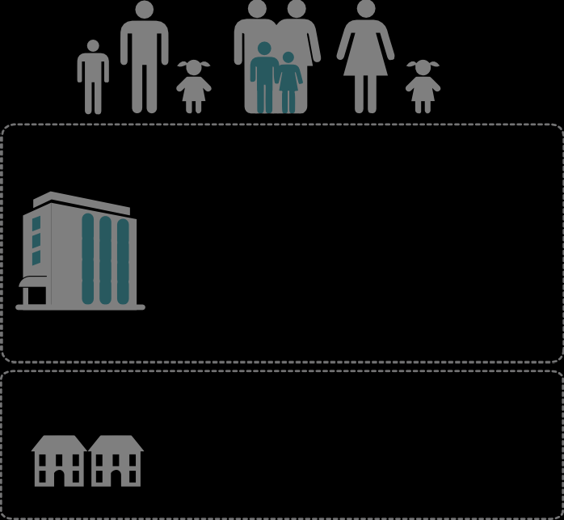  IN HOTELS 607 O 404 FAMILIES H T E WITH L 850 DEPENDENTS FAMILIES ACCOMMODATION 203 FAMILIES WITH 1,275DEPENDENTS IN HOMELESS WITH IN HOMELESS ACCOMMODATION 425 DEPENDENTS
Number of adults with dependent children who are homeless in Dublin 1,275 July 2014 - August 2015 1,185 1,122 1,034 970 911 780 803 741 726 668 680 640 595 832 729 770 677 571 616 440 465 493 507 359 387 410 421 July 14 Aug 14 Sep 14 Oct 14 Nov 14 Dec 14 Jan 15 Feb 15 Mar 15 Apr 15 May 15 June 15 July 15 Aug 15 No. of individual adults with dependents No. of dependents

The Dublin Region Homeless Executive is provided by Dublin City Council as the lead statutory local authority in the response to homelessness in Dublin and adopts a shared service approach across South Dublin County Council, Fingal County Council and Dún Laoghaire-Rathdown County Council. For more information please see www.homelessdublin.ie

